Trade mark
Απεικόνιση | Αριθμός κατάθεσης αίτησης | Προϊόντα και υπηρεσίες | Ημερομηνία αίτησης
 | N274540 | 36, 37 | 03-06-2022
 | N274701 | 24, 25, 28 | 14-06-2022
 | N274715 | 34 | 15-06-2022
 | N274956 | 18 | 27-06-2022
 | N274965 | 3, 18, 25 | 28-06-2022
 | N274987 | 29 | 28-06-2022
 | N275157 | 6, 11 | 07-07-2022
 | N275429 | 33 | 21-07-2022
 | N275463 | 44 | 24-07-2022
 | N275515 | 9, 16, 18, 20, 25, 28, 38, 41 | 27-07-2022
 | N275522 | 3, 25 | 28-07-2022
 | N275631 | 41 | 02-08-2022
 | N275713 | 29, 30 | 08-08-2022
 | N275876 | 35, 44 | 31-08-2022
 | N275889 | 32, 33 | 01-09-2022
 | N275949 | 3, 4, 6, 9, 14, 16, 21, 25, 28, 33, 34, 35, 36, 38, 39, 41, 42, 43, 45 | 07-09-2022
 | N275951 | 3, 4, 6, 9, 14, 16, 21, 25, 28, 33, 34, 35, 36, 38, 39, 41, 42, 43, 45 | 07-09-2022
 | N276037 | 5, 18, 20, 21, 24, 25, 27, 28 | 13-09-2022
 | N276079 | 41 | 15-09-2022
 | N276173 | 44 | 21-09-2022
 | N276612 | 35, 36, 41, 42 | 18-10-2022
 | N276617 | 30, 33, 35, 40, 43 | 18-10-2022
 | N276766 | 9, 16 | 26-10-2022
 | N276754 | 41 | 26-10-2022
 | N277112 | 12 | 18-11-2022
 | N277224 | 45 | 25-11-2022
 | N277285 | 25, 26 | 29-11-2022
 | N277468 | 12, 35 | 08-12-2022
 | N277469 | 12, 35 | 08-12-2022
 | N277558 | 18, 25 | 14-12-2022
 | N277594 | 35, 37, 40, 42 | 16-12-2022
 | N277591 | 35, 37, 40, 42 | 16-12-2022
 | N277631 | 18, 25 | 19-12-2022
 | N277654 | 12, 36, 39 | 20-12-2022
 | N277809 | 41 | 02-01-2023
 | N277903 | 41, 42, 43 | 09-01-2023
 | N278051 | 41 | 17-01-2023
 | N278050 | 9, 16, 35, 41 | 17-01-2023
 | N278088 | 40 | 19-01-2023
 | N278087 | 40 | 19-01-2023
 | N278133 | 39 | 20-01-2023
 | N278140 | 5, 18, 44 | 20-01-2023
 | N278204 | 12 | 25-01-2023
 | N278337 | 35, 42 | 01-02-2023
 | N278395 | 35, 42 | 03-02-2023
 | N278694 | 9, 16, 41, 42, 43 | 20-02-2023
 | N278823 | 12 | 28-02-2023
 | N278878 | 9, 38, 41, 42 | 03-03-2023
 | N279002 | 43 | 09-03-2023
 | N278998 | 4, 14, 21, 24, 25 | 09-03-2023
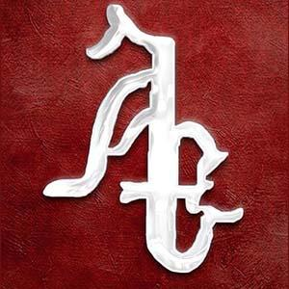 | N279024 | 16, 41 | 10-03-2023
 | N279013 | 4, 39 | 10-03-2023
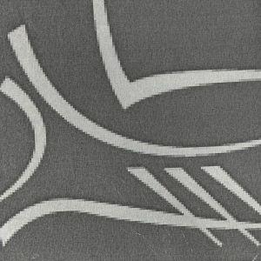 | N279054 | 9, 16, 35, 36, 38, 41, 42 | 13-03-2023
 | N279057 | 43 | 13-03-2023
 | N279270 | 28 | 22-03-2023
 | N279238 | 33, 35, 41 | 22-03-2023
 | N279250 | 9, 14, 16, 25, 35, 36, 37, 38, 39, 41, 42, 43, 44, 45 | 22-03-2023
 | N279322 | 29, 30, 32, 35, 43 | 24-03-2023
 | N279357 | 3 | 27-03-2023
 | N279472 | 12 | 31-03-2023
 | N279471 | 12 | 31-03-2023
 | N279619 | 42 | 06-04-2023
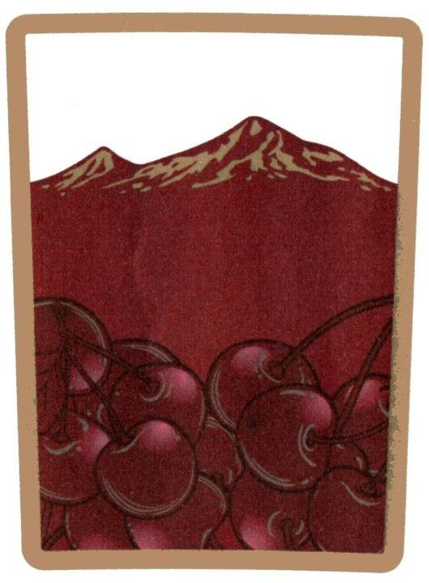 | W58871 | 33 | 07-04-2023
 | N279923 | 39, 44 | 24-04-2023
 | N279939 | 39, 41, 43 | 24-04-2023
 | N279943 | 12 | 25-04-2023
 | N280097 | 24, 26, 27 | 05-05-2023
 | N280120 | 16, 41 | 08-05-2023
 | N280126 | 11 | 08-05-2023
 | N280153 | 41, 43 | 09-05-2023
 | N280272 | 41 | 14-05-2023
 | N280406 | 12 | 19-05-2023
 | N280405 | 12 | 19-05-2023
 | N280404 | 12 | 19-05-2023
 | W58831 | 3, 5, 10, 18, 20, 24, 25, 28 | 23-05-2023
 | N280480 | 12 | 24-05-2023
 | N280481 | 12 | 24-05-2023
 | N280479 | 12 | 24-05-2023
 | N280482 | 16, 35, 41, 42 | 24-05-2023
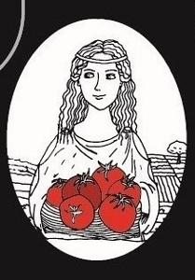 | N280597 | 29 | 30-05-2023
 | N280652 | 6, 16, 17, 21 | 01-06-2023
 | N280767 | 12 | 09-06-2023
 | N280775 | 7, 12 | 09-06-2023
 | W58960 | 29, 30 | 15-06-2023
 | N280974 | 13 | 20-06-2023
 | N281046 | 12 | 26-06-2023
 | N281045 | 12 | 26-06-2023
 | N281067 | 41, 43, 44 | 27-06-2023
 | N281202 | 44 | 04-07-2023
 | N281229 | 41, 44 | 06-07-2023
 | N281411 | 5 | 17-07-2023
 | N281517 | 29, 30, 35, 43 | 21-07-2023
 | N281549 | 25 | 24-07-2023
 | N281566 | 9 | 25-07-2023
 | N281669 | 6, 25 | 31-07-2023
 | N281674 | 1, 2, 3, 4, 21, 29, 30, 31 | 31-07-2023
 | N281667 | 6, 25 | 31-07-2023
 | N281670 | 6, 25 | 31-07-2023
 | N281673 | 42 | 31-07-2023
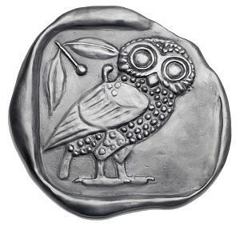 | N281684 | 29 | 01-08-2023
 | N281833 | 9, 20, 39, 42, 45 | 09-08-2023
 | N281830 | 44 | 09-08-2023
 | N281865 | 3, 5 | 11-08-2023
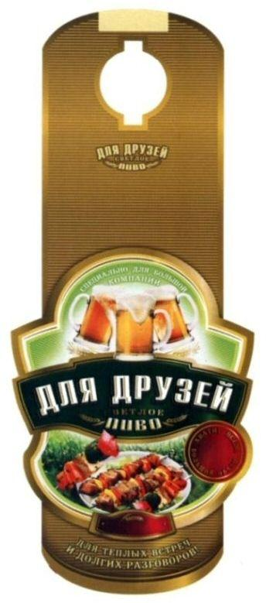 | W58877 | 32 | 14-08-2023
 | W58847 | 5 | 18-08-2023
 | N281980 | 45 | 31-08-2023
 | N281998 | 33 | 04-09-2023
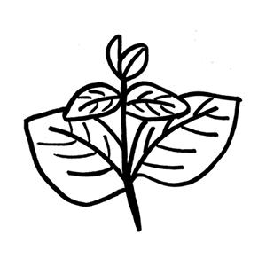 | N282037 | 30, 31, 35 | 07-09-2023
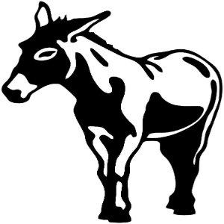 | N282070 | 25 | 11-09-2023
 | N282097 | 44 | 12-09-2023
 | N282105 | 39 | 12-09-2023
 | N282167 | 45 | 16-09-2023
 | N282171 | 44 | 18-09-2023
 | N282185 | 43 | 18-09-2023
 | W58879 | 5 | 22-09-2023
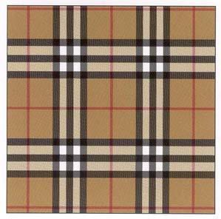 | N282252 | 9, 35, 41 | 22-09-2023
 | N282323 | 9, 11, 14, 16 | 28-09-2023
 | N282441 | 9, 36, 38, 41, 45 | 06-10-2023
 | W58881 | 12, 37 | 13-10-2023
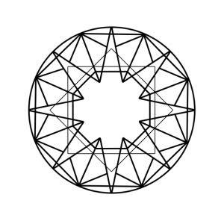 | N282621 | 14, 35, 37, 42 | 16-10-2023
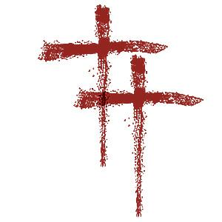 | N282627 | 25 | 17-10-2023
 | W58886 | 5 | 23-10-2023
 | N282838 | 32, 33 | 27-10-2023
 | N283109 | 6, 9, 14, 16, 18, 20, 21, 30, 33, 35, 40, 41 | 10-11-2023
 | N283120 | 45 | 11-11-2023
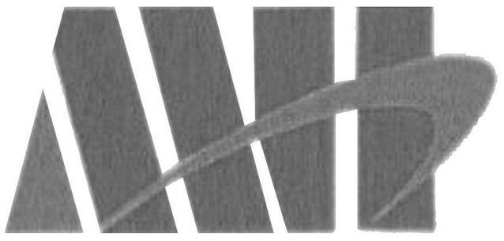 | W58977 | 18 | 13-11-2023
 | N283321 | 44 | 21-11-2023
 | N283406 | 18, 25, 35 | 27-11-2023
 | N283448 | 35, 42 | 30-11-2023
 | W59011 | 3, 4 | 07-12-2023
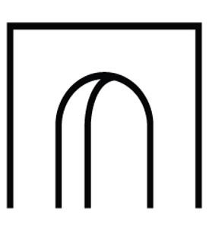 | N283595 | 35, 39, 43 | 08-12-2023
 | N283627 | 25 | 11-12-2023
 | N283625 | 9, 14, 24, 35, 41 | 11-12-2023
 | N283791 | 41 | 19-12-2023
 | N283786 | 3, 9, 14, 18, 24, 25, 28 | 19-12-2023
 | W59021 | 12 | 12-01-2024
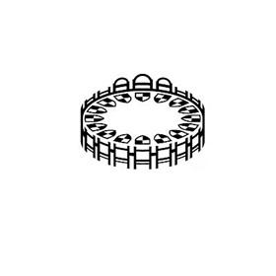 | N284174 | 35, 36, 41 | 17-01-2024
 | N284250 | 41 | 22-01-2024
 | N284434 | 36, 38 | 01-02-2024
 | N284482 | 44 | 02-02-2024
 | N284468 | 3, 5, 30, 35, 39, 41, 42, 44 | 02-02-2024
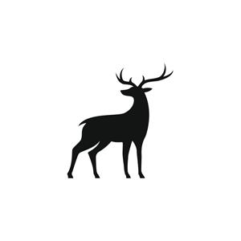 | N284486 | 10, 25 | 03-02-2024
 | N284574 | 44 | 07-02-2024
 | N284700 | 9, 16, 35, 36, 38, 41, 42 | 13-02-2024
 | N284886 | 42, 44 | 22-02-2024
  | N284897 | 4, 6, 7, 9, 11, 12, 16, 17, 19, 35, 36, 37, 38, 39, 40, 41, 42, 45 | 23-02-2024
 | N284999 | 29, 30 | 29-02-2024
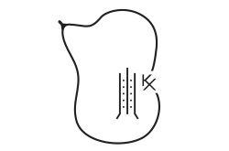 | N285234 | 9, 14, 21, 25, 35, 38, 41 | 12-03-2024
 | N285554 | 3, 44 | 02-04-2024
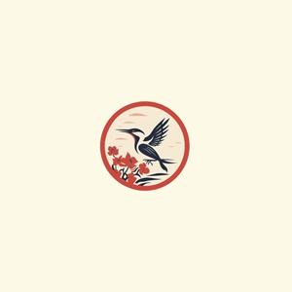 | N285603 | 16, 18, 21, 28, 30, 39, 40, 43 | 03-04-2024
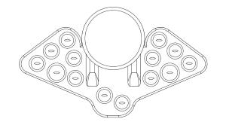 | N285677 | 10, 35, 41, 42, 44 | 08-04-2024
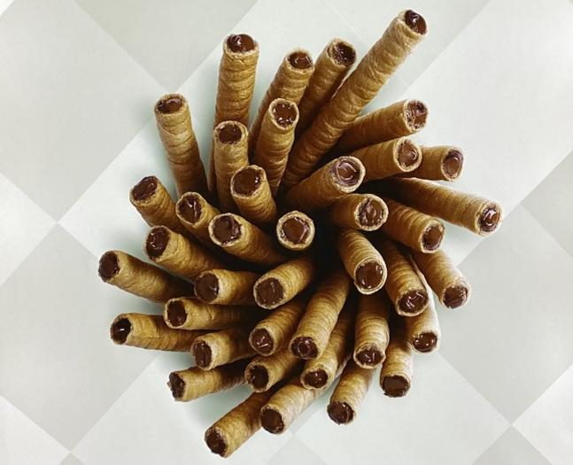 | N285739 | 30 | 10-04-2024
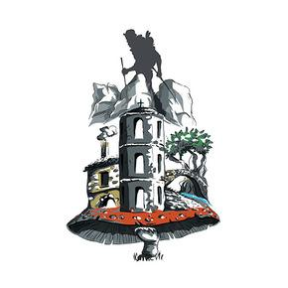 | N286114 | 29, 30, 35 | 26-04-2024
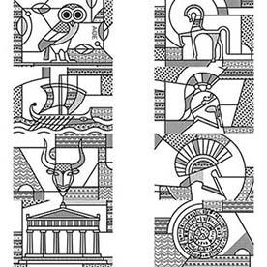 | N286351 | 9, 14, 16, 18, 21 | 14-05-2024
 | N286385 | 30, 35 | 16-05-2024
 | N286498 | 41 | 23-05-2024
 | N286622 | 12, 35, 36 | 31-05-2024
 | N286639 | 29, 31 | 31-05-2024
 | N286711 | 25 | 05-06-2024
 | N286815 | 3, 5, 10, 16, 21, 30, 35, 38, 39, 44 | 11-06-2024
 | N286814 | 3, 5, 10, 16, 21, 30, 35, 38, 39, 44 | 11-06-2024
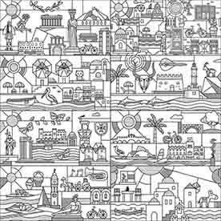 | N286902 | 3, 9, 14, 16, 18, 21, 24, 40, 42 | 14-06-2024
 | N286993 | 30, 32, 43 | 19-06-2024
 | N286992 | 30, 32, 43 | 19-06-2024
 | N286994 | 30, 32, 43 | 19-06-2024
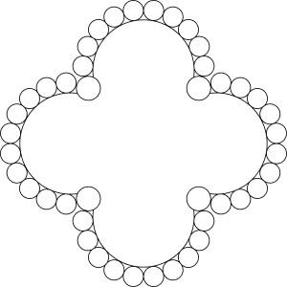 | N287048 | 14 | 25-06-2024
 | N287167 | 25 | 02-07-2024
 | N287268 | 12 | 08-07-2024
 | N287376 | 16, 42, 45 | 15-07-2024
 | N287593 | 41 | 25-07-2024
 | N287659 | 39 | 30-07-2024
 | N288011 | 33 | 27-08-2024
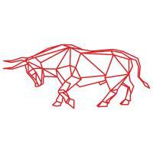 | N288207 | 40 | 10-09-2024
 | N288217 | 39 | 11-09-2024
 | N288644 | 44 | 03-10-2024
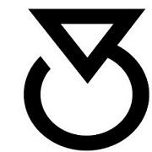 | N288881 | 9, 14, 25, 40, 41, 42 | 16-10-2024
 | N288922 | 6, 9, 14, 16, 18, 19, 20, 21, 24, 25, 28, 35, 41, 43 | 18-10-2024
 | N288978 | 21 | 22-10-2024
 | N288979 | 30, 35, 43 | 22-10-2024
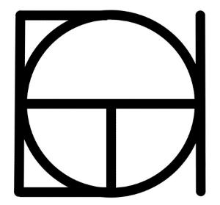 | N289119 | 35, 42 | 27-10-2024
 | N289158 | 16, 35, 36, 37, 42 | 30-10-2024
 | N289155 | 36 | 30-10-2024
 | N289151 | 9, 14, 18, 25 | 30-10-2024
 | N289153 | 9, 14, 18, 25 | 30-10-2024
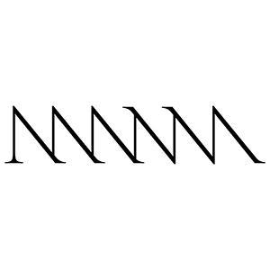 | N289218 | 43, 44 | 01-11-2024
 | N289230 | 44 | 03-11-2024
 | N289255 | 3 | 04-11-2024
 | N289318 | 9, 16, 35, 41, 42 | 07-11-2024
 | N289460 | 9, 35, 38, 41 | 14-11-2024
 | N289643 | 16, 18, 20, 21, 24, 25, 27, 28, 35, 37, 41, 42 | 26-11-2024
 | N289748 | 43 | 01-12-2024
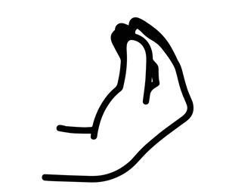 | N289789 | 35, 43 | 03-12-2024
 | N289845 | 9, 28, 38, 41, 42 | 05-12-2024
 | N290038 | 45 | 17-12-2024
 | N290120 | 39 | 19-12-2024
 | N290133 | 14, 18, 24, 25 | 20-12-2024
 | N290443 | 35, 41 | 15-01-2025
 | N290439 | 42 | 15-01-2025
 | N290451 | 3, 14, 18, 25 | 16-01-2025
 | N290567 | 3, 29, 30, 31 | 22-01-2025
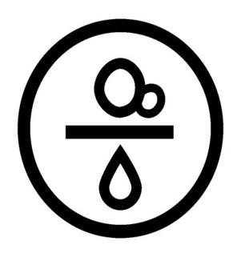 | N290588 | 33 | 24-01-2025
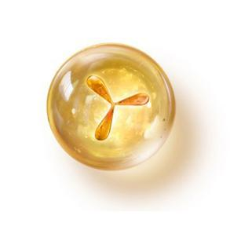 | N290591 | 5 | 24-01-2025
 | N290688 | 35, 36, 38, 41, 42 | 29-01-2025
 | N290737 | 41 | 31-01-2025
 | N290742 | 35, 42 | 01-02-2025
 | N290890 | 44 | 11-02-2025
 | N291183 | 16, 35, 36, 39, 41 | 26-02-2025
 | N291415 | 15 | 12-03-2025
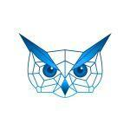 | N291398 | 41 | 12-03-2025
 | N291571 | 35, 41 | 19-03-2025
 | N291625 | 29, 30 | 20-03-2025
 | N291631 | 29, 30 | 21-03-2025
 | N291653 | 1, 3, 14, 16, 18, 21, 22, 25, 26, 35, 45 | 21-03-2025
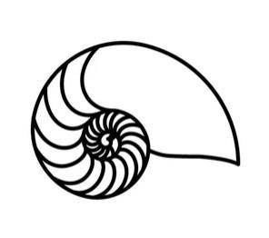 | N291656 | 35 | 22-03-2025
 | N291711 | 3, 30, 35 | 27-03-2025
 | N291760 | 7, 12 | 28-03-2025
 | N291955 | 41 | 07-04-2025
 | N292152 | 3, 14, 18, 25, 35 | 15-04-2025
 | N292181 | 34 | 16-04-2025
 | N292219 | 42 | 22-04-2025
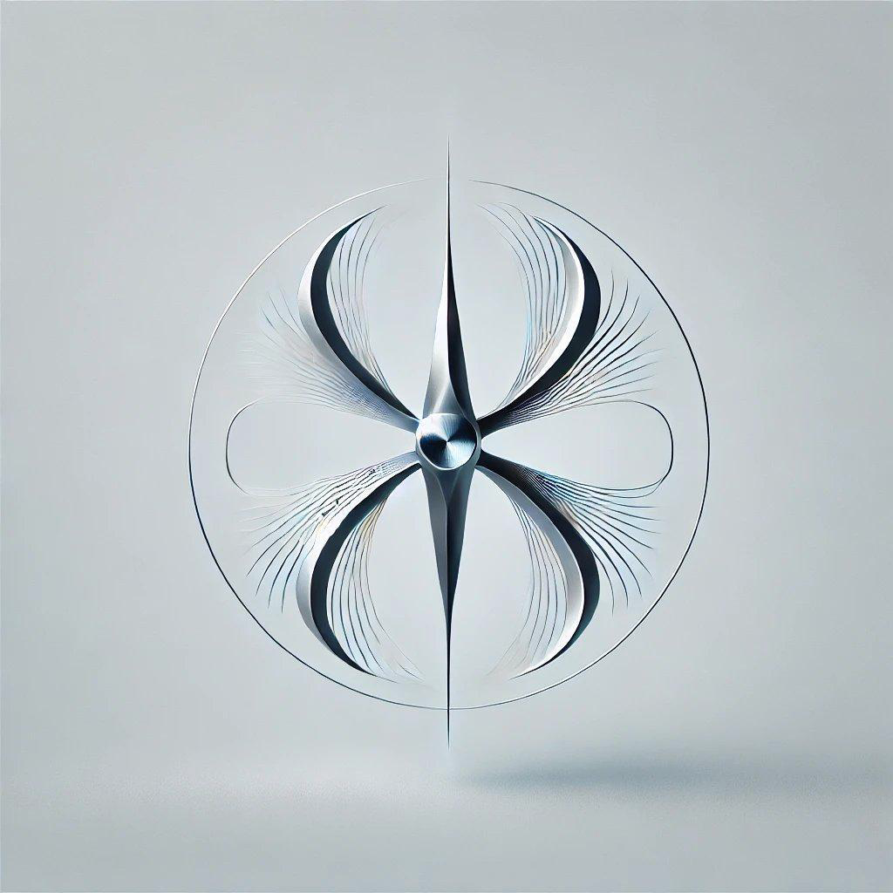 | N292277 | 10, 14 | 24-04-2025
 | N292303 | 11, 37 | 28-04-2025
 | N292383 | 43 | 30-04-2025
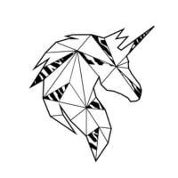 | N292508 | 21, 25 | 08-05-2025
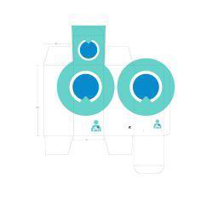 | N292545 | 5 | 09-05-2025
 | N292613 | 9, 42, 44 | 13-05-2025
 | N292753 | 42 | 20-05-2025
 | N292959 | 9, 35, 36 | 29-05-2025
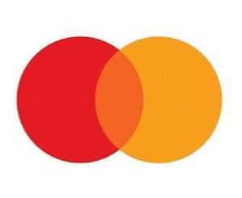 | N293111 | 43 | 05-06-2025
 | N293250 | 19, 37, 40 | 13-06-2025
 | N293397 | 35, 43 | 19-06-2025
 | N293454 | 25, 29, 30, 32, 33, 43 | 23-06-2025
 | N293574 | 32, 33 | 30-06-2025
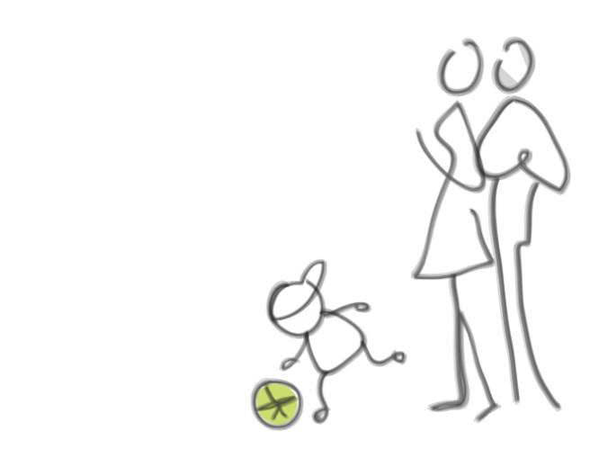 | N293579 | 44 | 01-07-2025
 | N293629 | 9, 41, 42, 44 | 03-07-2025
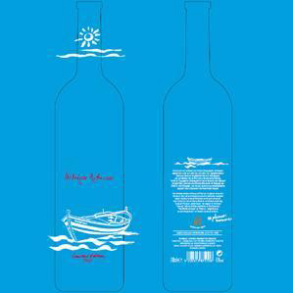 | N293682 | 33 | 07-07-2025
 | N293749 | 44 | 09-07-2025
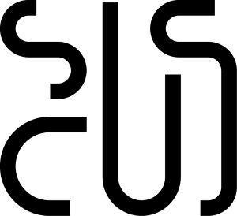 | N293877 | 21 | 15-07-2025
 | N293998 | 25 | 21-07-2025
 | N294012 | 9 | 22-07-2025
 | N294062 | 42, 44 | 24-07-2025
 | N294114 | 45 | 27-07-2025
 | N294153 | 44 | 29-07-2025
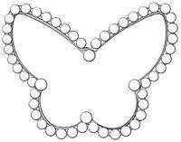 | N294245 | 14 | 04-08-2025
 | N294310 | 41 | 06-08-2025
 | N294467 | 29 | 21-08-2025
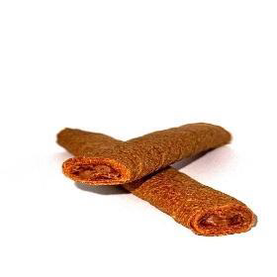 | N294509 | 30 | 25-08-2025
 | N294502 | 9, 35, 41, 42 | 25-08-2025
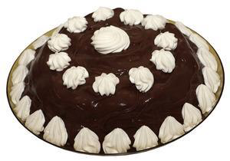 | N294551 | 30, 43 | 27-08-2025
 | N294644 | 25 | 03-09-2025
 | N294685 | 30 | 07-09-2025
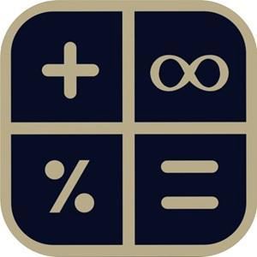 | N294753 | 35, 36, 41 | 10-09-2025
 | N294786 | 16, 25, 41 | 11-09-2025
 | N294799 | 21 | 12-09-2025
 | N295256 | 6, 7, 11, 37 | 09-10-2025
 | N295377 | 41 | 15-10-2025
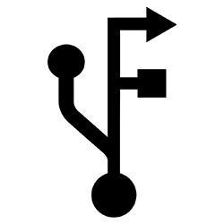 | N295390 | 14, 25, 35, 38 | 15-10-2025
 | N295369 | 6 | 15-10-2025
 | N295427 | 35, 41 | 16-10-2025
 | N295523 | 35, 39, 43 | 20-10-2025
 | N295581 | 9, 38, 42 | 22-10-2025
 | N295632 | 30 | 24-10-2025
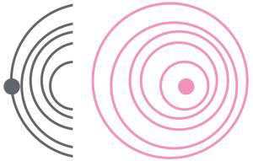 | N295772 | 44 | 31-10-2025
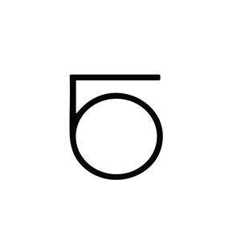 | N295765 | 7, 9, 41, 42 | 31-10-2025
 | N295790 | 3, 4, 9, 14, 16, 20, 21, 35, 41, 42, 44, 45 | 03-11-2025
 | N295996 | 35, 36, 37, 42 | 11-11-2025
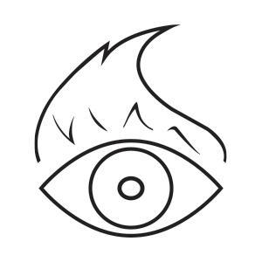 | N295976 | 14, 25, 26 | 11-11-2025
 | N295985 | 25 | 11-11-2025
 | N296007 | 14, 18, 24, 25 | 12-11-2025
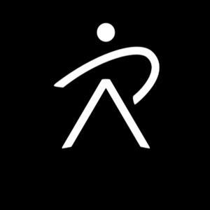 | N296055 | 44 | 13-11-2025
 | N296032 | 35, 36, 37, 42 | 13-11-2025
 | N296096 | 35 | 17-11-2025
 | N296106 | 42 | 17-11-2025
 | N296133 | 30, 32 | 18-11-2025
 | N296158 | 35, 41, 43 | 19-11-2025
 | N296162 | 41, 44 | 19-11-2025
 | N296166 | 1, 2, 3, 4, 5, 6, 7, 8, 9, 10, 11, 12, 13, 14, 15, 16, 17, 18, 19, 20, 21, 22, 23, 24, 25, 26, 27, 28, 29, 30, 31, 32, 33, 34, 41, 42 | 19-11-2025
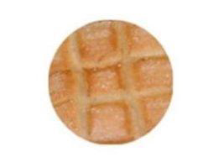 | N296145 | 30 | 19-11-2025
 | N296202 | 9, 42 | 20-11-2025
 | N296173 | 44 | 20-11-2025
 | N296271 | 41, 44 | 24-11-2025
 | N296277 | 44 | 25-11-2025
 | N296466 | 43 | 03-12-2025
 | N296442 | 44 | 03-12-2025
 | N296484 | 9, 25, 35 | 04-12-2025
 | N296530 | 44 | 07-12-2025
 | N296557 | 9, 18, 25 | 08-12-2025
 | N296580 | 39 | 09-12-2025
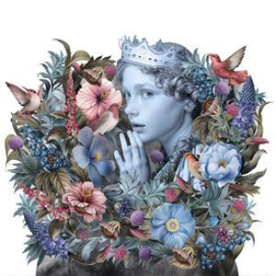 | N296611 | 33 | 10-12-2025
 | N296614 | 33 | 10-12-2025
 | N296754 | 25, 35 | 16-12-2025
 | N296745 | 25, 35 | 16-12-2025
 | N296757 | 25, 35 | 16-12-2025
 | N296782 | 9, 35, 36, 42 | 17-12-2025
 | N296813 | 25, 35 | 18-12-2025
 | N296800 | 25, 35 | 18-12-2025
 | N296801 | 25, 35 | 18-12-2025
 | N296841 | 25, 35 | 19-12-2025
 | N296840 | 25, 35 | 19-12-2025
 | N296954 | 9, 42 | 24-12-2025
 | N296999 | 25 | 29-12-2025
 | N297045 | 40 | 05-01-2026
 | N297046 | 40 | 05-01-2026
 | N297215 | 32, 43 | 15-01-2026
 | N297785 | 10 | 05-02-2026
 | N297448 | 16, 29, 30, 31, 32, 35, 40, 41, 43 | 23-01-2026
 | N297892 | 42 | 11-02-2026
 | N297387 | 37 | 21-01-2026
 | N297398 | 42 | 21-01-2026
 | N297536 | 37 | 28-01-2026
 | N297715 | 9, 35 | 03-02-2026
 | N297356 | 41, 43, 44 | 20-01-2026
 | N297337 | 9, 12, 37 | 20-01-2026
 | N298254 | 41, 44 | 27-02-2026
 | N298179 | 16 | 24-02-2026
 | N298044 | 20, 21, 25, 35 | 17-02-2026
 | N298460 | 1, 4, 42 | 09-03-2026
 | N298016 | 9, 41, 42 | 17-02-2026
 | N298418 | 9, 11, 28, 35, 42 | 06-03-2026
 | N298468 | 8, 9, 11, 12, 15, 16, 21, 29, 30, 32, 33, 35, 39, 40, 41, 43 | 09-03-2026
 | N298526 | 35 | 11-03-2026
 | N298589 | 44 | 13-03-2026
 | N298686 | 35, 37, 41, 42, 45 | 18-03-2026
 | N298742 | 43 | 19-03-2026
 | N298826 | 9, 37 | 24-03-2026
 | N298829 | 12 | 24-03-2026
 | N298817 | 14, 23, 25, 26, 40 | 23-03-2026
 | N298922 | 9, 42 | 29-03-2026
 | N299211 | 25, 28, 35, 41 | 09-04-2026
 | N299506 | 9, 39 | 27-04-2026
 | N299542 | 45 | 28-04-2026
 | N299626 | 25 | 04-05-2026
 | N299839 | 9, 16, 25, 35, 41 | 12-05-2026
 | N299853 | 9, 16, 25, 35, 41 | 13-05-2026
 | N299880 | 9, 16, 25, 35, 41 | 14-05-2026
 | N299888 | 5, 41, 44 | 14-05-2026
 | N299876 | 14, 25 | 14-05-2026
 | N300229 | 14, 35 | 27-05-2026
 | N300315 | 25 | 01-06-2026
 | N300479 | 16, 18, 21, 24, 25, 28, 35, 41 | 09-06-2026
 | N300530 | 9, 24, 28, 41 | 11-06-2026
 | N300592 | 9, 35, 38, 42, 45 | 13-06-2026
 | N300608 | 25 | 15-06-2026
 | N300811 | 9, 16 | 23-06-2026
 | N300922 | 16, 21, 43 | 30-06-2026
 | N301017 | 39 | 03-07-2026
 | N301034 | 35, 36, 37, 39, 40, 42, 43 | 06-07-2026
 | N301072 | 11, 16, 20, 21, 24, 25, 26, 35, 40, 41, 42 | 07-07-2026
 | N301064 | 4, 35, 37, 39, 40, 42 | 07-07-2026
 | N301173 | 10, 25, 35 | 12-07-2026
 | N301220 | 29, 30, 43 | 14-07-2026
 | N301241 | 3, 5 | 14-07-2026
 | N301280 | 37 | 16-07-2026
 | N301337 | 29, 30, 32 | 18-07-2026
 | N301431 | 41 | 22-07-2026
 | N301475 | 20, 24, 35 | 24-07-2026
 | N301519 | 44 | 27-07-2026
 | N301601 | 37, 42 | 29-07-2026
 | N301634 | 35 | 31-07-2026
 | N301707 | 37 | 04-08-2026
 | N301730 | 9, 35, 42 | 05-08-2026
 | N301781 | 30 | 07-08-2026

